Sheet1
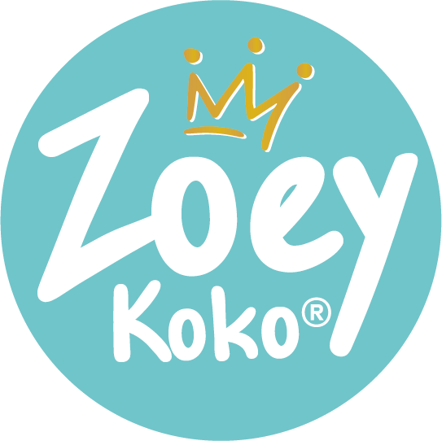
 | Zoey Koko |  |  | Price List Order Form 2023
 | 38 Montvale Ave |  |  | Valid until 10.1.2023
 | Suite 310
 | Stoneham, MA 02180
 | www.ZoeyKoko.com

Sales Contact: Sara Ferrer ● Email: Sales@zoeykoko.com ● Mobile: 860-205-6712

Customer Name: |  |  | Contact Name:
Email Address: |  |  | Ship To Address:
Phone: |  |  | Notes:

Free FedEx Shipping over $350+ ● Opening Order Minimum: $150 ● Minimum Reorder: $150

UPC Code | SKU # | Description |  | Case Sizes | Unit Quantity | Unit price | Total price
Packages
756029738416 | ZK2000 | Bath and Body Package |  | 1 | 0 | $368.00 | $0.00
791126098490 | ZK2200 | Bubble Bar Pop Package |  | 1 | 0 | $225.00 | $0.00
756029738423 | ZK2100 | Bath Bomb Package |  | 1 | 0 | $265.00 | $0.00
033255833796 | ZK1900 | Nail Polish Package |  | 1 | 0 | $127.50 | $0.00
791126097554 | ZK2301 | Shower Steamer Package* |  | 1 | 0 | $135.00 | $0.00
Body Butters
756029737808 | ZK1138 | Birthday Body Butter |  | 6 | 0 | $7.50 | $0.00
756029737709 | ZK1134 | Black Raspberry Body Butter |  | 6 | 0 | $6.00 | $0.00
033255833772 | ZK1103 | Mermaid Body Butter |  | 6 | 0 | $7.50 | $0.00
756029737747 | ZK1135 | Sherbet Body Butter |  | 6 | 0 | $7.50 | $0.00
033255833727 | ZK1101 | Unicorn Glitter Body Butter |  | 6 | 0 | $7.50 | $0.00
756029737662 | ZK1136 | Watermelon Body Butter |  | 6 | 0 | $7.50 | $0.00
Whipped Soaps
756029737815 | ZK1139 | Birthday Whipped Soap (4 oz) |  | 6 | 0 | $6.50 | $0.00
756029737716 | ZK1120 | Black Raspberry Whipped Soap (4 oz) |  | 6 | 0 | $5.00 | $0.00
756029737723 | ZK1121 | Black Raspberry Whipped Soap (8 oz) |  | 6 | 0 | $7.00 | $0.00
756029737464 | ZK1113 | Mermaid Whipped Soap (4 oz) |  | 6 | 0 | $6.50 | $0.00
756029737471 | ZK1115 | Mermaid Whipped Soap (8 oz) |  | 6 | 0 | $9.00 | $0.00
756029737754 | ZK1122 | Sherbet Whipped Soap (4 oz) |  | 6 | 0 | $6.50 | $0.00
756029737488 | ZK1112 | Unicorn Whipped Soap (4 oz) |  | 6 | 0 | $6.50 | $0.00
756029737679 | ZK1118 | Watermelon Whipped Soap (4 oz) |  | 6 | 0 | $6.50 | $0.00
756029737693 | ZK1119 | Watermelon Whipped Soap (8 oz) |  | 6 | 0 | $9.00 | $0.00
 |  | Surprise Bubble Bombs - Available 7.15.23
791126097608 | ZK1173 | One in a Unicorn Bubble Bomb |  | 6 | 0 | $5.00 | $0.00
791126097585 | ZK1171 | Vitamin Sea, Yes Please! Bubble Bomb |  | 6 | 0 | $5.00 | $0.00
791126097578 | ZK1170 | Cake is Easy Bubble Bomb |  | 6 | 0 | $5.00 | $0.00
791126097615 | ZK1174 | What's Your Superpower? Bubble Bomb |  | 6 | 0 | $5.00 | $0.00
791126097622 | ZK1175 | You're Out of this World Bubble Bomb |  | 6 | 0 | $5.00 | $0.00
791126097592 | ZK1172 | I Lava You Alot Bubble Bomb |  | 6 | 0 | $5.00 | $0.00
 |  | Bath Bombs
033255833703 | ZK1108 | Unicorn Horn Bath Bomb |  | 6 | 0 | $4.00 | $0.00
Shower Steamers
791126097523 | ZK1167 | Shower Steamer - Energize me |  | 6 | 0 | $6.00 | $0.00
791126097509 | ZK1166 | Shower Steamer - Refresh Me |  | 6 | 0 | $6.00 | $0.00
791126097530 | ZK1169 | Shower Steamer - Sleepy Me |  | 6 | 0 | $6.00 | $0.00
791126097516 | ZK1168 | Shower Steamer - Uplift Me |  | 6 | 0 | $6.00 | $0.00
Gift Sets
756029738348 | ZK1158 | Birthday Sprinkles Gift Set |  | 3 | 0 | $12.50 | $0.00
756029738102 | ZK4405 | Black Raspberry Bubble Bar Gift Set |  | 3 | 0 | $12.50 | $0.00
756029738331 | ZK1157 | Mermaid Magic Gift Set |  | 3 | 0 | $12.50 | $0.00
756029738096 | ZK4404 | Rainbow Sherbet Bubble Bar Gift Set |  | 3 | 0 | $12.50 | $0.00
033255833734 | ZK4401 | Unicorn Kisses Gift Set |  | 3 | 0 | $25.00 | $0.00
756029738324 | ZK1156 | Unicorn Wishes Gift Set |  | 3 | 0 | $12.50 | $0.00
Bubble Bar Pops
756029738287 | ZK1152 | Blue Raspberry Bubble Bar Pop |  | 10 | 0 | $3.50 | $0.00
756029738270 | ZK1151 | Pink Lemonade Bubble Bar Pop |  | 10 | 0 | $3.50 | $0.00
756029738294 | ZK1153 | Watermelon Bubble Bar Pop |  | 10 | 0 | $3.50 | $0.00
Glitter Gels
756029738171 | ZK1146 | Hearts in a Jar Glitter Gel (2 oz) |  | 6 | 0 | $4.00 | $0.00
756029738188 | ZK1145 | Hearts in a Jar Glitter Gel (4 oz) |  | 6 | 0 | $6.00 | $0.00
756029737877 | ZK1131 | Pinky Promise Glitter Gel ( 2 oz) |  | 6 | 0 | $4.00 | $0.00
756029737792 | ZK1130 | Pinky Promise Glitter Gel (4 oz) |  | 6 | 0 | $6.00 | $0.00
756029737860 | ZK1129 | Purple Crush Glitter Gel (2 oz) |  | 6 | 0 | $4.00 | $0.00
756029737785 | ZK1128 | Purple Crush Glitter Gel (4 oz) |  | 6 | 0 | $6.00 | $0.00
756029737655 | ZK1137 | Stars in a Jar Bio Glitter Gel (2 oz) |  | 6 | 0 | $4.00 | $0.00
033255833826 | ZK1117 | Stars in a Jar Bio Glitter Gel (4 oz) |  | 6 | 0 | $6.00 | $0.00
Hair Ties
033255833949 | ZK1164 | Birthday Hair Ties |  | 6 | 0 | $3.00 | $0.00
756029737983 | ZK3303 | Dance Damage Free Hair Ties |  | 6 | 0 | $3.00 | $0.00
033255834168 | ZK3302 | Mermaid Damage Free Hair Ties |  | 6 | 0 | $3.00 | $0.00
033255834175 | ZK3301 | Unicorn Damage Free Hair Ties |  | 6 | 0 | $3.00 | $0.00
Sugar Scrubs
756029737730 | ZK1124 | Black Raspberry Body Scrub |  | 6 | 0 | $6.00 | $0.00
033255833710 | ZK1111 | Unicorn Sugar Body Scrub |  | 6 | 0 | $6.00 | $0.00
Body Lotion
756029737570 | ZK1104 | Stargazer Body Lotion |  | 6 | 0 | $6.00 | $0.00
756029738034 | ZK1144 | Zoey's Comet Body Lotion |  | 6 | 0 | $6.00 | $0.00
Nail Polish
033255833857 | ZK2201 | Quick Dry Nail Polish (Assorted Colors) |  | 6 | 0 | $4.25 | $0.00
Displays
756029738393 | ZK1800 | 3 Tier Acrylic Display |  | 1 | 0 | $65.00 | $0.00
791126097776 | ZK1178 | Bubble Bomb Display |  | 1 | 0 | $75.00 | $0.00
756029738386 | ZK1700 | Bubble Pop Display |  | 1 | 0 | $45.00 | $0.00
791126097561 | ZK2300 | Shower Steamer Display |  | 1 | 0 | $45.00 | $0.00

 |  |  |  |  |  | Total | $0.00

