Sheet1
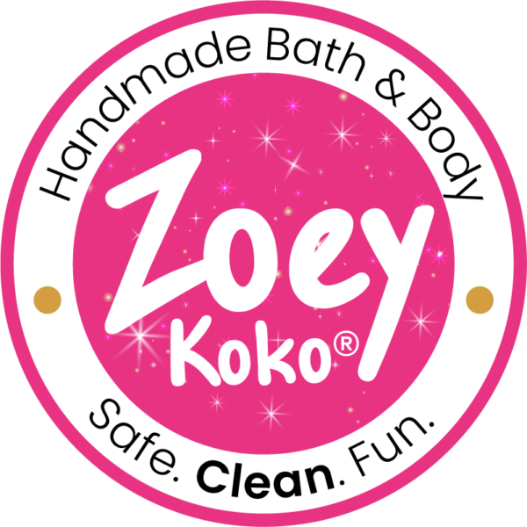
 | Zoey Koko |  |  | Price List Order Form 2022
 | 38 Montvale Ave
 | Suite 310
 | Stoneham, MA 02180
 | www.ZoeyKoko.com

Sales Contact: Sara Ferrer ● Email: Sara@zoeykoko.com ● Mobile: 860-205-6712

Customer Name: |  |  | Contact Name:
Email Address: |  |  | Ship To Address:
Phone: |  |  | Notes:

UPC Code | Sku # | Description |  | Case Sizes | Unit Quantity | Unit price | Total price
Displays
756029738393 | ZK1800 | Glitter 3 Tier Acrylic Display |  | 1 | 0 | $65.00 | $0.00
756029738416 | ZK2000 | Bath and Body Package |  | 1 | 0 | $360.00 | $0.00
756029738386 | ZK1700 | Bubble Pop Wooden Display |  | 1 | 0 | $45.00 | $0.00
120394029402 | ZK2200 | Bubble Bar Pop Package |  | 1 | 0 | $210.00 | $0.00
756029738409 | ZK1600 | Woven Bath Bomb Basket Display |  | 1 | 0 | $30.00 | $0.00
756029738423 | ZK2100 | Bath Bomb Package |  | 1 | 0 | $88.00 | $0.00
033255833796 | ZK1900 | Nail Polish Display (Free with 30 nail polishes) |  | 1 | 0 | $0.00 | $0.00
Products
756029737808 | ZK1138 | Birthday Body Butter |  | 4 | 0 | $7.50 | $0.00
756029737990 | ZK1143 | Birthday Cupcake Bath Bomb |  | 4 | 0 | $7.50 | $0.00
756029737815 | ZK1139 | Birthday Whipped Soap (4 oz) |  | 4 | 0 | $6.50 | $0.00
756029737822 | ZK1140 | Birthday Whipped Soap (8 oz) |  | 4 | 0 | $9.00 | $0.00
756029738348 | ZK1158 | Birthday Sprinkles Gift Set |  | 3 | 0 | $14.50 | $0.00
756029737709 | ZK1134 | Black Raspberry Body Butter |  | 4 | 0 | $7.50 | $0.00
756029737730 | ZK1124 | Black Raspberry Body Scrub |  | 4 | 0 | $7.00 | $0.00
756029737839 | ZK1127 | Black Raspberry Bubble Bar |  | 4 | 0 | $6.00 | $0.00
756029738102 | ZK4405 | Black Raspberry Bubble Bar Gift Set |  | 3 | 0 | $12.50 | $0.00
756029737716 | ZK1120 | Black Raspberry Whipped Soap (4 oz) |  | 4 | 0 | $6.50 | $0.00
756029737723 | ZK1121 | Black Raspberry Whipped Soap (8 oz) |  | 4 | 0 | $9.00 | $0.00
756029738287 | ZK1152 | Blue Raspberry Bubble Bar Pop |  | 10 | 0 | $3.50 | $0.00
756029737853 | ZK1154 | Completely Qwackers Duck Bath Bomb |  | 4 | 0 | $4.00 | $0.00
756029737983 | ZK3303 | Dance Damage Free Hair Ties |  | 6 | 0 | $3.00 | $0.00
756029737563 | ZK1105 | Daydreamer Body Lotion |  | 4 | 0 | $8.00 | $0.00
033255833901 | ZK1109 | Dream Chaser Bath Bomb |  | 4 | 0 | $5.00 | $0.00
033255833833 | ZK1107 | Galaxy Bath Bomb |  | 4 | 0 | $4.00 | $0.00
033255834113 | ZK1102 | Galaxy Body Butter |  | 4 | 0 | $7.50 | $0.00
033255833840 | ZK4403 | Galaxy Galore Gift Set |  | 3 | 0 | $25.00 | $0.00
756029738171 | ZK1146 | Hearts in a Jar Glitter Gel (2 oz) |  | 4 | 0 | $4.00 | $0.00
756029738188 | ZK1145 | Hearts in a Jar Glitter Gel (4 oz) |  | 4 | 0 | $7.50 | $0.00
756029737853 | ZK1132 | I Scream For Icecream Bath Bomb |  | 4 | 0 | $5.00 | $0.00
033255833857 | ZK2201 | Kid Friendly Nail Polish (Assorted) |  | 6 | 0 | $4.25 | $0.00
033255834168 | ZK3302 | Mermaid Bath Bomb |  | 4 | 0 | $4.00 | $0.00
033255833772 | ZK1103 | Mermaid Body Butter |  | 4 | 0 | $7.50 | $0.00
033255833741 | ZK1106 | Mermaid Damage Free Hair Ties |  | 6 | 0 | $3.00 | $0.00
033255833789 | ZK4402 | Mermaid Dreams Gift Set |  | 3 | 0 | $25.00 | $0.00
756029738331 | ZK1157 | Mermaid Magic Gift Set |  | 3 | 0 | $12.50 | $0.00
756029737464 | ZK1113 | Mermaid Whipped Soap (4 oz) |  | 4 | 0 | $6.50 | $0.00
756029737471 | ZK1115 | Mermaid Whipped Soap (8 oz) |  | 4 | 0 | $9.00 | $0.00
756029738317 | ZK1155 | No Drama Llama Bath Bomb |  | 4 | 0 | $4.25 | $0.00
756029737877 | ZK1131 | Pinky Promise Glitter Gel ( 2 oz) |  | 4 | 0 | $4.00 | $0.00
756029737792 | ZK1130 | Pinky Promise Glitter Gel (4 oz) |  | 4 | 0 | $7.50 | $0.00
756029738355 | ZK1159 | Pink Lemonade Body Butter |  | 4 | 0 | $7.50 | $0.00
756029738270 | ZK1151 | Pink Lemonade Bubble Bar Pop |  | 10 | 0 | $3.50 | $0.00
756029738362 | ZK1160 | Pink Lemonade Whipped Soap (4 oz) |  | 4 | 0 | $6.50 | $0.00
756029738379 | ZK1161 | Pink Lemonade Whipped Soap (8 oz) |  | 4 | 0 | $9.00 | $0.00
756029737860 | ZK1129 | Purple Crush Glitter Gel (2 oz) |  | 4 | 0 | $4.00 | $0.00
756029737785 | ZK1128 | Purple Crush Glitter Gel (4 oz) |  | 4 | 0 | $7.50 | $0.00
756029738096 | ZK4404 | Rainbow Sherbet Bubble Bar Gift Set |  | 3 | 0 | $12.50 | $0.00
756029737747 | ZK1135 | Sherbet Body Butter |  | 4 | 0 | $7.50 | $0.00
756029737778 | ZK1125 | Sherbet Body Scrub |  | 4 | 0 | $7.00 | $0.00
756029737846 | ZK1126 | Sherbet Bubble Bar |  | 4 | 0 | $6.00 | $0.00
756029737754 | ZK1122 | Sherbet Whipped Soap (4 oz) |  | 4 | 0 | $6.50 | $0.00
756029737761 | ZK1123 | Sherbet Whipped Soap (8 oz) |  | 4 | 0 | $9.00 | $0.00
756029737570 | ZK1104 | Stargazer Body Lotion |  | 4 | 0 | $8.00 | $0.00
756029737655 | ZK1137 | Stars in a Jar Bio Glitter Gel (2 oz) |  | 4 | 0 | $4.00 | $0.00
033255833826 | ZK1117 | Stars in a Jar Bio Glitter Gel (4 oz) |  | 4 | 0 | $7.50 | $0.00
756029738089 | ZK4406 | Stay Sweet Whipped Soap Gift Set |  | 3 | 0 | $20.00 | $0.00
033255833703 | ZK1108 | Unicorn Damage Free Hair Ties |  | 6 | 0 | $3.00 | $0.00
033255833727 | ZK1101 | Unicorn Glitter Body Butter |  | 4 | 0 | $7.50 | $0.00
033255834175 | ZK3301 | Unicorn Horn Bath Bomb |  | 4 | 0 | $4.00 | $0.00
033255833734 | ZK4401 | Unicorn Kisses Gift Set |  | 3 | 0 | $25.00 | $0.00
033255833710 | ZK1111 | Unicorn Sugar Body Scrub |  | 4 | 0 | $7.00 | $0.00
756029737488 | ZK1112 | Unicorn Whipped Soap (4 ounce) |  | 4 | 0 | $6.50 | $0.00
756029737495 | ZK1114 | Unicorn Whipped Soap (8 ounce) |  | 4 | 0 | $9.00 | $0.00
756029738324 | ZK1156 | Unicorn Wishes Gift Set |  | 3 | 0 | $12.50 | $0.00
756029737662 | ZK1136 | Watermelon Body Butter |  | 4 | 0 | $7.50 | $0.00
756029738294 | ZK1153 | Watermelon Bubble Bar Pop |  | 10 | 0 | $3.50 | $0.00
756029737686 | ZK1133 | Watermelon Splash Bath Bomb Trio |  | 3 | 0 | $12.00 | $0.00
756029737679 | ZK1118 | Watermelon Whipped Soap (4 oz) |  | 4 | 0 | $6.50 | $0.00
756029737693 | ZK1119 | Watermelon Whipped Soap (8 oz) |  | 4 | 0 | $9.00 | $0.00
756029738034 | ZK1144 | Zoey's Comet Body Lotion |  | 4 | 0 | $8.00 | $0.00

 |  |  |  |  |  | Total | $0.00
Has a ship date of August 1

• Minimum opening order $125, reorder of $100
• FFA for orders $500+
• Prices subject to change without notice
• All orders are shipped via UPS within 3 business days
• A portion of your sale goes to community mentorship programs for girls

